STEP 3 - STATE TAXES
State Tax Calculator: | PayCheckCity Calculator
Instructions:
Visit the link above to view the tax withholding calculator at PaycheckCity and enter data as indicated to the right. Upon completion of the steps, enter the results in the table below labeled "State Taxes"

NOTE: State tax calculation is outside the scope of this calculator. Variations of $5-10 from amounts withheld by the agency are to be expected.

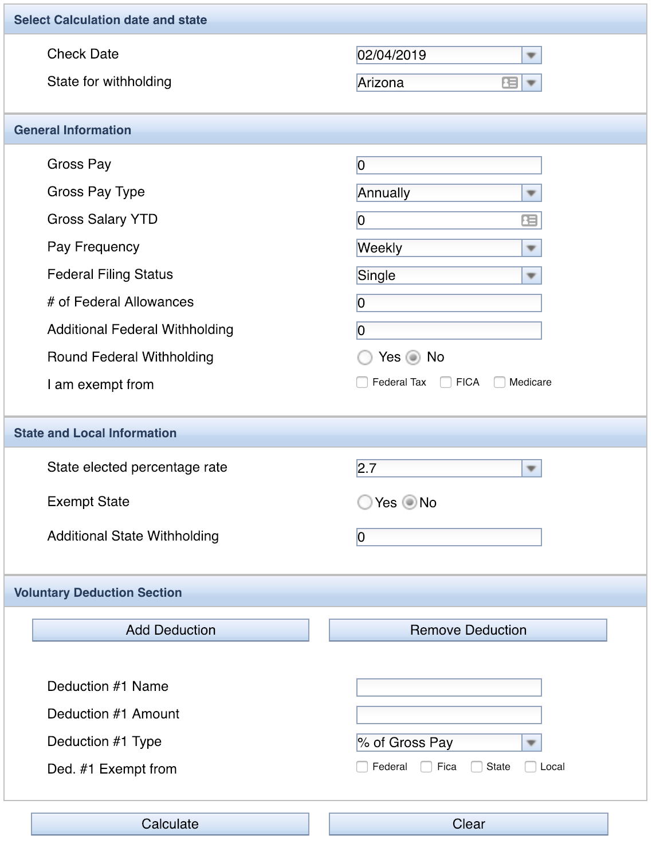
 |  | 2019-02-12 | Last day of the pay period selected in Step 2
 |  |  | Enter the state of residence

 |  | $5,120.95 | This is your calculated Gross Pay after subtracting any TSP contributions
 |  | Pay Per Period | Select Pay Per Period, since paychecks are received every two weeks and not annually.
 |  | 0 | Not necessary, used to determine OASDI/FICA. This is calculated in this document.
 |  | Bi-Weekly | We are paid every two weeks

 |  | Not Necessary | Already entered on this spreadsheet, used to properly calculate federal taxes.

 |  |  | These fields/questions change based on the state selected. Based on your personal tax situation and should be reflected on most recent LES.

 |  | CALCULATE | Press calculate to retrieve tax information

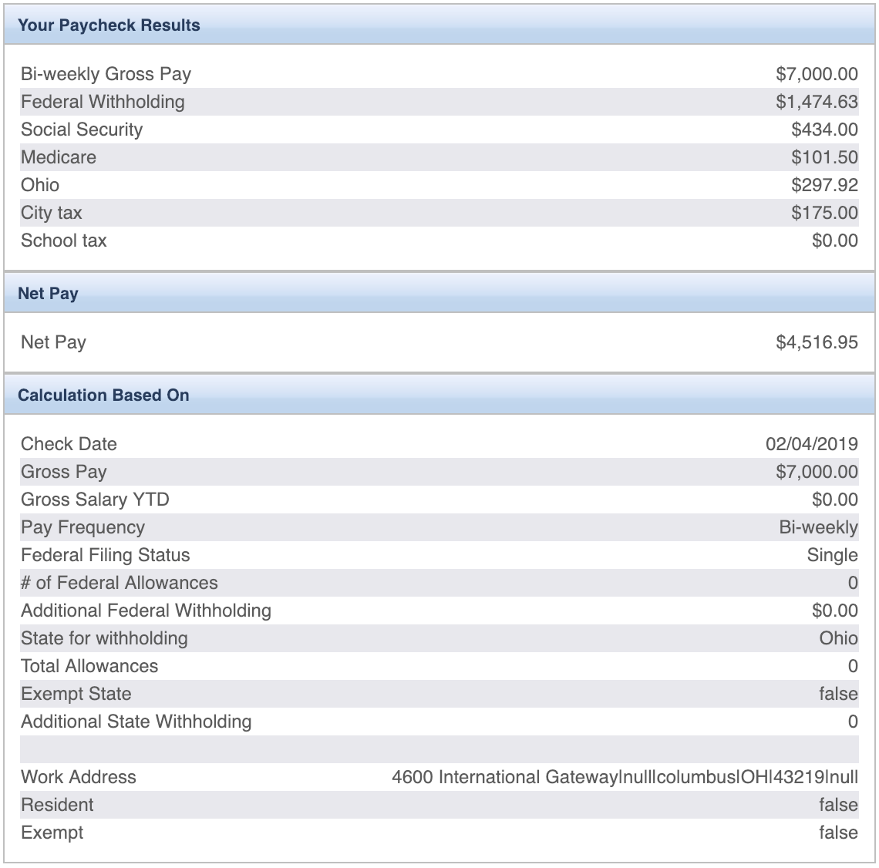
 |  |  | Results of state tax calculations vary by state. Enter the values into the boxes below.

 |  |  | State Taxes
 |  |  | State Tax Amount | $-
 |  |  | County Tax Amount | $-
 |  |  | Local Tax Amount | $-
 |  |  | State Tax Total | $-

